Sheet1
Bug Title | Steps | Attachment | Device | Network | Severity | Priority
[Home page] - [Matches] - [Presentation issue]- Minute by minute match details page is empty for the upcomming matches and no empty view label appears | 1- open yalla kora mobile app 2- in home page tab on any upcomming match | 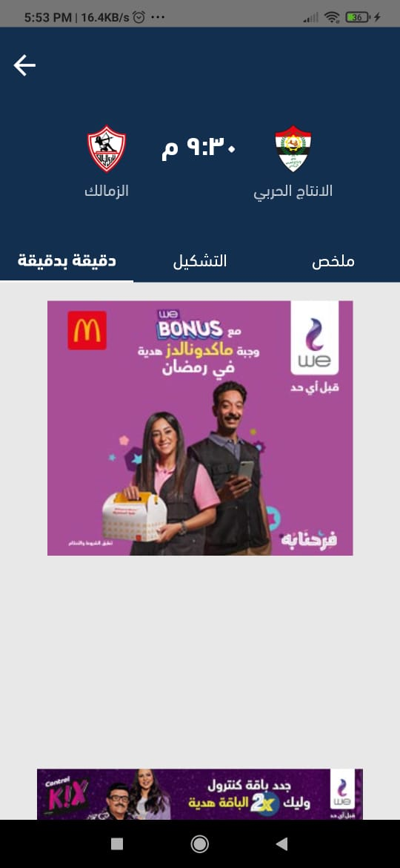 | xiaomi note 10 lite android : 11 | WIFI 16 Mb/s | Medium | 4
[Matches page] - [Calender] - [Function issue]- User can’t select another day while the data still loading of the selected day | 1- open yalla kora mobile app 2- in matches page select any day to view its matches 3- while loading the data try to choose another day |  | xiaomi note 10 lite android : 11 | WIFI 16 Mb/s | Medium | 3
[Matches page] - [Calender] - [Presentaion issue]- When the user filter matches by champioship the data will be filtered but the label still as all matches | 1- open yalla kora mobile app 2- in matches page select any day to view its matches 3- filter the matches by choosing any championsip to show | 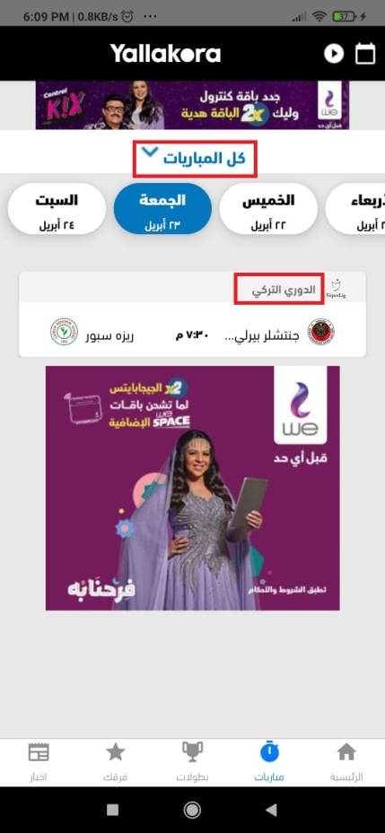 | xiaomi note 10 lite android : 11 | WIFI 16 Mb/s | High | 2
[Favorite Teams page] - [Delete favorite team] - [Function issue]- When the user delete any of his favorite teams, it not deleted | 1- open yalla kora mobile app 2- in teams page tab on edit icon 3- delete any team from your favorite teams 4- back to the teams page 5- go to edit page again and check the viewed teams |  | xiaomi note 10 lite android : 11 | WIFI 16 Mb/s | High | 1
[Share news] - [Function issue]- The news shared link opens in web brower only even if the app installed on the device | 1- open yalla kora app 2- open any news 3- share the news 4- open the shared link from the device that have the application installed |  | xiaomi note 10 lite android : 11 | WIFI 16 Mb/s | High | 3
[View news details] - [Presentation issue]- The news appears from left to right even the news is in arabic language | 1- open yalla kora app 2- open any news 3- check the news allignment | 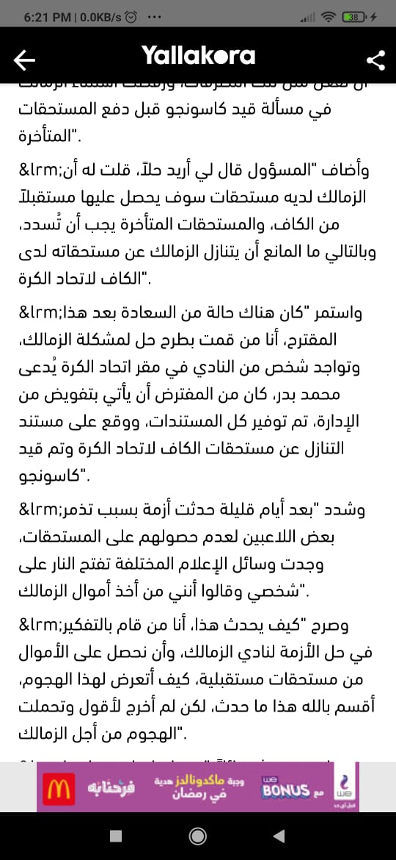 | xiaomi note 10 lite android : 11 | WIFI 16 Mb/s | High | 4
[Favorite Teams page] - [favorite teams view] - [Presentation issue]- When the user select more than 15 team as favorite teams, the view page will appear as blank page | 1- open yalla kora app 2- open favorite teams 3- add more than 15 favorite team 4- back to the defualt favorite team view |  | xiaomi note 10 lite android : 11 | WIFI 16 Mb/s | Critical | 1
[Matches page] - [filter by date] - [Presentation issue]- When the user select day from calender that doesn't have any matches, no empty view label appears | 1- open yalla kora app 2- open matches page 3- choose a day from calender that doesn't have any matches 4- check the empty view |  | xiaomi note 10 lite android : 11 | WIFI 16 Mb/s | Medium | 4
[Notifications] - live matches goal notification reaches the mobile app after the goal by more than 30 minutes | check the goals notifications of the live matches |  | xiaomi note 10 lite android : 11 | 4G | Critical | 1
[Matches] - [ view match details] - [ view lineups] - [Presentation issue] - when the user open the view lineups page there are intersections between the players names | 1- open yalla kora app 2- open matches page 3- open any match view 4- open lineups view | 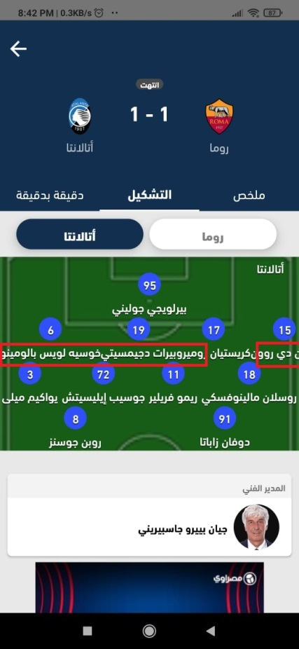 | xiaomi note 10 lite android : 11 | WIFI 16 Mb/s | Medium | 3
[Matches] - [ view match details] - [ view stats] - [Presentation issue] - when the user open the view stats, there are data appears with 0 values | 1- open yalla kora app 2- open matches page 3- open any match view 4- open stats view | 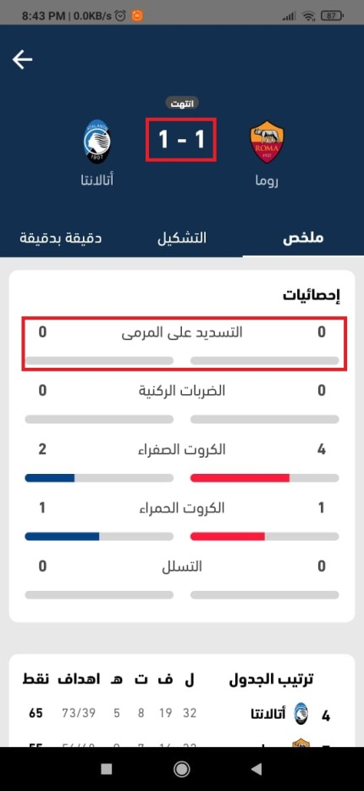 | xiaomi note 10 lite android : 11 | WIFI 16 Mb/s | High | 1
[Matches page] - [Match details view] - [Presentation issue]- When the user select an very old day from the calender that have matches and opens the view match details page, the view page will appear as blank page | 1- open yalla kora app 2- open matches page 3- choose an old day from calender that have matches 4- open the match details Test data : day 20/8/2019 |  | xiaomi note 10 lite android : 11 | WIFI 16 Mb/s | Critical | 1

